Fig 1
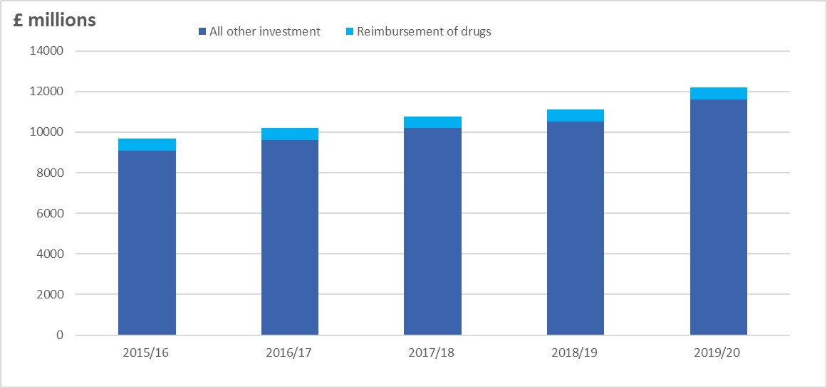
Return to Contents
Figure 1: Investment in General Practice in England 2015/16 to 2019/20

